Agenda
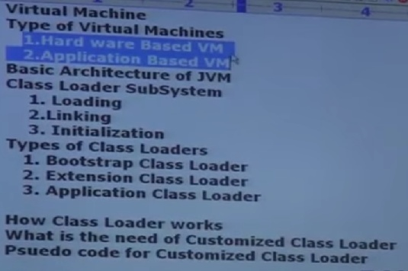

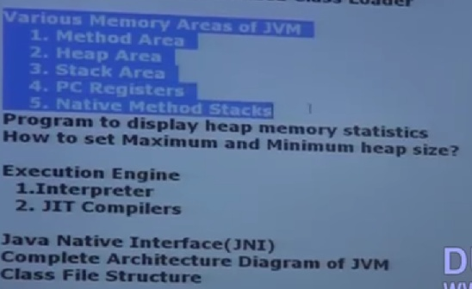

Sheet2
Virtual Machine | It is a software simulation of a machine which can perform operations like a physical machine.
Types of Virtual Machine | There are two types of Viratual machines. 1. Hardware Based or System Based virtual machine 2. Application based or process based virtual machine

Hardware Based or System Based virtual machine | It provides several logical systems on the same computer with strong isolation from each otheri.e on one physical machine we are defining mutiple logical machines. The main advantage of hardware based virtual machines is hardware resources sharing and improves utilization of hardware resources Example: KVM[kernal based virtual machine for linux systems], VMware,Xen,cloud computing etc

Application based or process based virtual machine | These virtual machines acts as a run time engines to run to a particular programming language applications Ex: JVM(Java virtual machine) --> Acts as run time engine to run java based applications PVM(parrot virtual machine) --> Acts as run time engine to run pearl based applications CLR(Common Language run time) --> Acts as run time engine to run .NET based applications

JVM | JVM is part of JRE and it is responsible to load and run java class files

Basic Architecture Diagram of JVM | 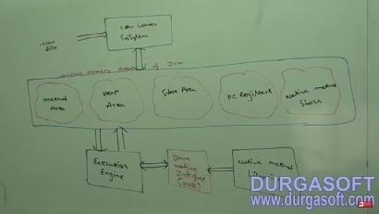

Class Loader Subsystem | Class Loader Subsystem is responsible for the following 3 activities 1. Loading 2. Linking 3. Initialization
Loading | Loading means reading class files and store corresponding binry data in method area. For each class file JVM will store corresponding information in the method area. 1. Fully qualified name of Class 2. Fully qualified name of immediate parent class 3. Methods information 4. Variables information 5. Constructors information 6. Modifiers information 7. constant pool information etc
 | 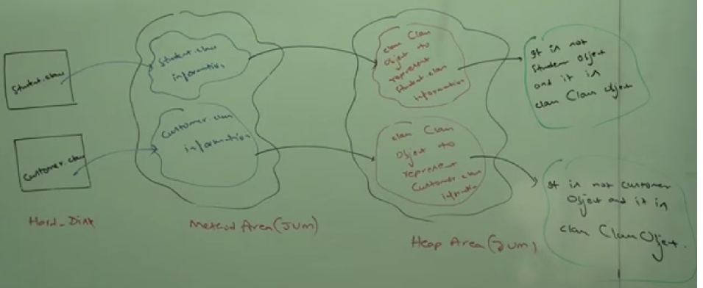 After loading .class file immediately JVM creates an object for that loaded class in heap memory of type Java.lang.Class
 | The class Class object can be used by programmer to get class level information like methods information,variables information,constructors information etc
Example demonstarting usage of class Class object | 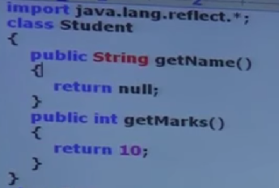 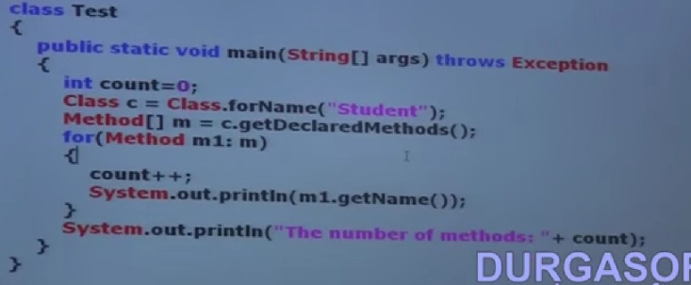
Note | For every loaded type only one Class class object will be created even though we are using the class multiple times In our program
Example for above Note | 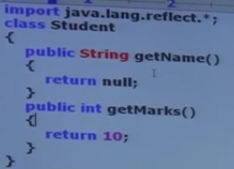 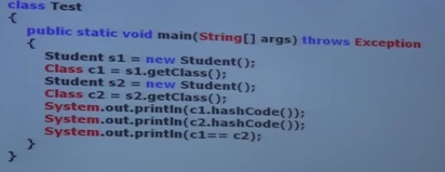 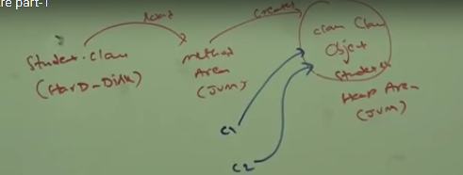 Output
 | In the above program even though we are using Student class multiple times only class Class object got created

What is the difference between JDK,JRE and JVM | 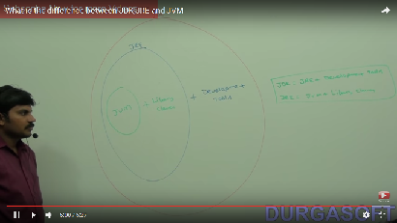

Linking | Linking consists of 3 activities 1. Verify 2. Preparation 3. Resolution
Verify | It is the process of ensuring that binary representation of a class is structurally correct or not i.e JVM will check whether .class file is generated by valid compiler or not i.e whether .class file is properly formatted or not. Internally "Byte Code verifier" is responsible for this activity. Byte Code verifier is the part of Class Loader Subsystem. If verification fails then we will get run time exception saying "java.lang.VerifyError".

Preparation | In this phase, JVM will allocate memory for class level static variables and assign default values. Note: In initialization phase original values will be assigned to the static variables but in prepartion phase only default values will be assigned
Resolution |  It Is the process of replacing symbolic names in our program with original memory references from method area. Example
 | For the above class class Loader loads Test.class,Strig.class,Student.class,Object.class The names of these classes stored in constant pool of Test class. In resolution phase these names are replaced with original memory level references from method area

Initialization | In this all static variables are assigned with original values and static blocks will be executed from parent to child and from top to bottom.
 | 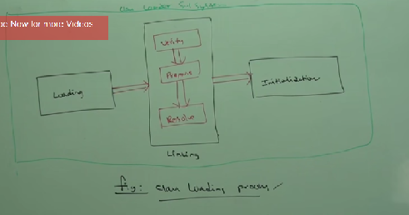
Note | while loading,linking and initialization if any error occurs then we will get run time exception saying "java.lang.LinkageError"

Types of Class Loaders | Class loader subsystem contains the following 3 types of class loaders 1. Boot Strap class loader or primordial class loader 2. Extension class loader 3. Application class loader or system class loader

Boot Strap class loader | It is responsible to load core java api classes that is the class present in RT.jar
 | 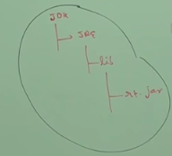 The above location is called Boot Strap class path.i.e boot strap class loader is responsible to load classes from boot strap class path. Boot Strap Class loader is by default available with every JVM.It is implemented in native languages like C or C++ and not implemented in Java

Extension Class loader | 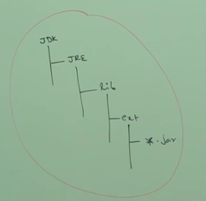 1. Extension class loader is the child class of boot strap class loader. 2. Extension class loader is responsible to load classes from extension class path(JDK\JRE\lib\ext)
 | Extension class loader is implemented in java and the corresponding .class file is sun.misc.Launcher$ExtClassLoader.class

Application class loader or System class loader | 1. Application class loader is the child class of extension class loader 2. This class loader is responsible to load classes from Application class path 3. It internally uses environment variable classpath 4. Application class loader is implemented in java and the corresponding .class file name is "sun.misc.Launcher$AppClassLoader.class"

How class loader subsystem works | 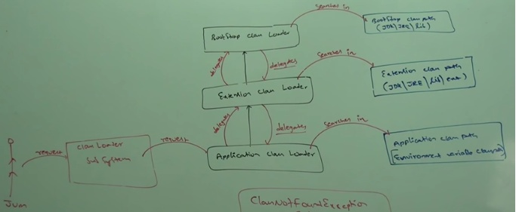
 | Class loader follows delegation hierarchy principle. Whever JVM come across a particular class first it will check whether the corresponding .class file is already loaded or not. If it is already loaded in method area then JVM will consider that loaded class. If it is not loaded then JVM request class loader susbsytem to load that particular class.Then class loader subsystem handovers the request to apllication class loader. Application class loader delegates the request to extension class loader which in turn delegates the request to boot strap class loader. Then boot strap class loader will search in boot strap class path. If it is available then the corresponding .class will be loaded by boot strap class loader. If it is not available then boot strap class loader delegates the request to extension class loader. Extension class loader will search in extension class path. If it is available then it will be loaded otherwise extension class loader delegates request to Application class loader. Application class loader will search in application class path. If it is available then it will be loaded otherwise we will get run time exception saying "NoClassDefFound Error" or "ClassNotFound" exception.
Example | Assume Customer.class present in both extension and apllication class paths and Test.class present in only application class path. For String .class Boot strap class loader from boot strap class path o/p : null For Test.class Application class loader from application class path o/p : sun.misc.Launcher$AppClassLoader@19112a56 For Customer.class Extension class loader from extension class path o/p : sun.misc.Launcher$ExtClassLoader@1072b90
 | Note 1. Boot strap class loader is not java object hence we got null in the first case but extension and application class loaders are java objects hence we are getting corresponding output for the remaining two sops[classname@hashcode_in_hexadecimal form] 2. Class loader susbsystem will give the highest priority for Boot strap class path and then extension class path followed by application class path

Need of Customized Class loader | 1. default class loaders will load .class file only once even though we are using that class multiple times in our program. 2. After loading .class file if it is modified out side then default class loader won't load updated version of class file( because .class file already available in method area). We can resolve this problem by defining our own customized class loader. The main advantage of customized class loader is we can control class loading mechanism based on our requirement. For example we can load .class file sepearately every time so that updated version available to our program.
 | 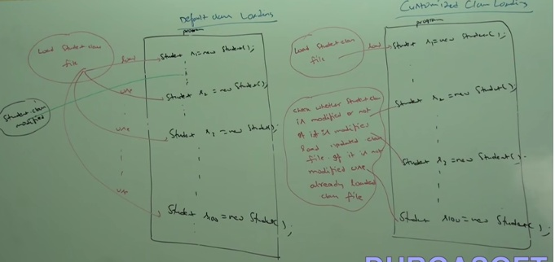

How to define customized class loader | 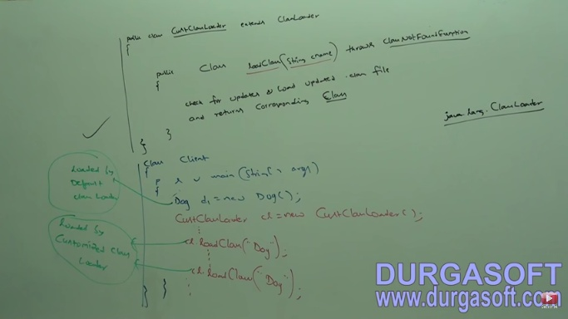 we can define our own customized class loader by extending java.lang.ClassLoader class
Note | while developing web servers and application servers usually we can go for customized class loaders to customize class loading mechanism.

what is the need of ClassLoader class..? | we can use java.lang.ClassLoader class to define our own customized class loaders. Every class loader in java should be child class of java.lang.ClassLoader class either directly or indirectly hence this class acts as base class for all customized class loaders.

Various memory areas present inside JVM | whenever JVM loads and runs a java program , it needs memory to store several things like bytecode,objects,variables etc. Total JVM memory organized into the following 5 categories 1. Method area 2. Heap Area 3. Stack memory 4. PC Registers 5. Native method stacks

Method area | 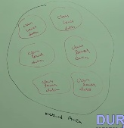 1. For every JVM one method area will be available. 2. Method area will be created at the time of JVM start up. 3. Inside method area class level binary data including static variables will be stored. 4. Constant pools of a class will be stored in side method area. 5. Method area can be accessed by multiple threads simultaneously 6. Method area memory need not be continous

Heap Area | 1. For every JVM one heap area is available 2. Heap area will be created at the time of JVM startup 3. Objects and corresponding instance variables wll be stotred in heap area. 4. Every array in java is object only hence arrays also will be stored in the heap area 5. Heap area can be accessed by mutilple threads simultaneously hence data stored in heap memory is not thread safe. 6. Heap area need not be continous | 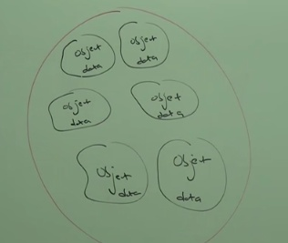

Program to display heap memory statistics | A java application can communicate with JVM by using Runtime object. Runtime class present in java.lang package and it is singleton class. We can create runtime object as follows. Runtime r = Runtime.getRuntime(); once we got Runtime object we can call the following methods on that object. 1. maxMemory(); --> it retuns the no of bytes of maxmemory allocated to the heap. 2. totalMemory(); -- > it returns no of bytes of total memory allocated to the heap(initial memory). 3. freeMemory(); --> it returns no of bytes of free memory present in the heap.
Example | 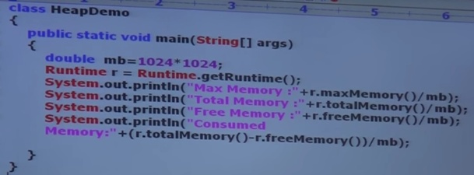 Output in bytes output in MB
How to set maximum and minimum heap sizes | Heap memory is finite but base don our requirement we can set maximum and minimu heap sizes that is we can increase or decrease heap size based on our requiremnt. We can use the following flags with Java command. -Xmx --> to set maximum heap size(maxMemory) Ex: Java -Xmx512m HeapDemo --> This command will set maximum heap size as 512 MB. -Xms --> we can use this command to set minimu heap size. Ex: Java -Xms64m HeapDemo --> To set minimum heap size as 64 MB( totalMemory())
Example

Stack Memory | For every thread JVM will create a separate stack at the time of thread creation. Each and every method call performed by that thread will be stored in the stack including local variables also. After completing the method the corresponding entry from stack wll be removed. after completing all method calls the stack will become empty and that empty stack will be destroyed by the JVM just before terminating the thread. Each entry in the stack is called stack frame or activation record.
 | 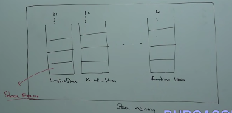 The data stored in the stack is available only for the corresponding thread and not available to the remaining threads hence this data is thread safe.

Stack Frame structure | 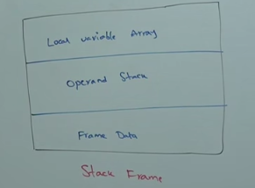 each stack frame contains 3 parts.
Local Variable array | It contains all parameters and local variables of method. Each slot in the array is of 4 bytes. Values of type int,float and reference occupy 1 entry in the array. Values of double and long occupy 2 consecutive entries in the array. Byte,short and char values will be converted to int type before storing and occupy one slot.But the way of storing boolean values is varied from JVM to JVM but most of the JVMs follow 1 slot for boolean values
Example | 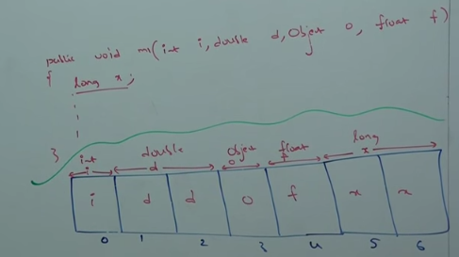

Operand stack | JVM uses operand stack as workspace. Some instructions can push values to the operand stack and some instructions can pop values from operand stack and some instructions can perform required operations.
Example

Frame Data | Frame data contains all symbolic references related to that method. it also contains a reference to exception table which provides corresponding catch block information in case of exception.

PC Registers( Program Counter Registers) | For every thread a separate PC register will be created at the time of thread creation. PC registers contains the address of current executing instruction. Once instruction execution completes automatically PC register will be incremented to hold address of next instruction.

Native method stacks | For evry thread JVM will create a separate native method stack. All native method calls invoked by thread will be stored in the corresponding native method stack.

 | Note: 1. method area ,heap area and stack area are considered as important memory areas with respect to programmer. 2. Method area and heap area are per JVM. 3. where as stack area , PC register and native method stack are per thread. | 
 | Static variables will be stored in method area. Instance variables will be stored in heap area. Local variables will be stored In stack area.
Example | 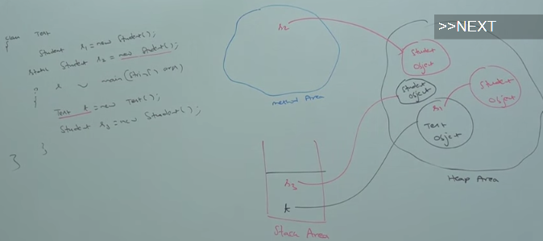

Execution Engine | This is the central component of JVM. Execution engine is responsible to execute java class files. Execution engine mainly contains 2 components. 1. Interpreter 2. JIT Compiler

Interpreter | It is responsible to read byte code nad interpret into machine code(native code) and execute that machine code line by line. Problem with interpreter is it interprets every time even same method invoked multiple times which reduces performance of the system. To overcome this problem sun people introduced JIT compilers in 1.1 version.

JIT Compiler | The main purpose of JIT compiler is to improve performance.Internally JIT compiler maintains a separate count for every method whenever JVM come across any method call first that method will be interpreted normally by the interpreter and JIT compiler increments the corresponding count variable. This process will be continued for every method. Once if any method count reaches threshold value then JIT compiler identifies that, that method is a reapeatedly used method. Thats method is called hotspot. immediately JIT compiler compiles that method and generates the corresponding nativ code. Next time JVM come accross that method call then JVM uses native code directly and executes it instead of interpreting once again so that performance of the system will be improved. The threshold count varies from JVM to JVM
 | Some advanced JIT compilers will recompile generated native code if count reaches threshold value second time so that more optimized machine code will be generated.
 | Internally profiler,which is the part of JIT compiler is responsible to identify hotspots.
 | Note 1. JVM interprets total program at least once. 2. JIT compilation is applicable only for repeatedly required methods not for every method.
Execution engine parts | 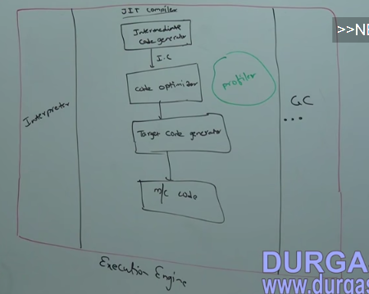

Java Native Interface(JNI) | JNI acts as mediator for java method calls and corresponding native libraries(i.e jNI is responsible to provide informationa bout native libraries to JVM). Native method library holds native library information.

 | Start with Core Java With OCJP/SCJP:JVM Architecture Part- 8|| complete jvm architecture
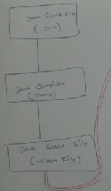
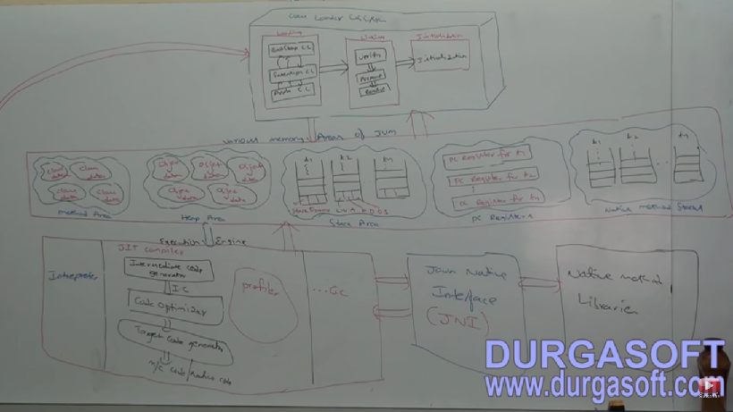

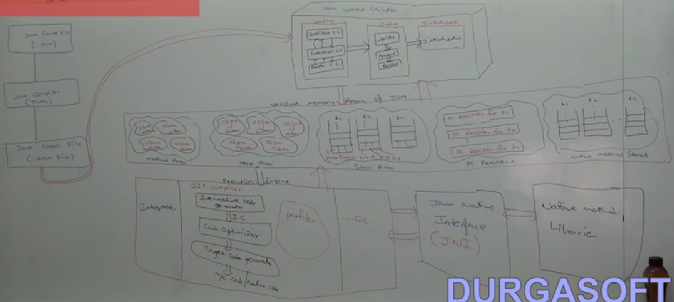

Class File Structure | 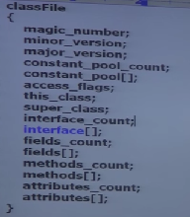
Magic_number | The first 4 bytes of a .class file is magic number. This is a pre defined value used by JVM to identify .class file is generated by valid compiler or not. The value should be 0XCAFEBABE Note: Whever we are executing a java class if JVM unable t find valid maagic number then we will get run time exception saying "Java.lang.ClassFormatError: Incompatible magic value"
minor version and major version | Major and minor version represent .class file version. JVM will use these versions to identify which version of compiler generates the current .class file.
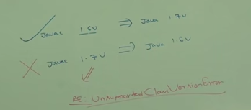
 | Lower version compiler generated .class files can be run by higher version jVM but higher version compiler generated .class files can't be run by lower version JVMs. If we are tring to run we will get run time exception saying "unspportedCalss Version error" | 
constant_pool_count | It represnets no of constants present in constant pool. Constant pool array it represents informion about constants present in constant pool.
access_flags | it provides information about modifiers which are declared to the class.
this_class | it represents fully qualified name of the class
super_class | it represents fully qualified names of immediate super clas of current class


interface_count | it returns no of interfaces implemented by current class
interface_array | it returns interfaces information implemented by current class
fields_count | it represents no of fields present in current class
fields_array | it represents fields information present in current class
methods-count | it represents no of methods persent in current class
methods_array | it provides information about all methods present in current class
attributes_count | it returns no of attributes present in current class
attributes_array | it provies information about all attributes present in current class

 | javap -verbose Test.class

